Dashboard
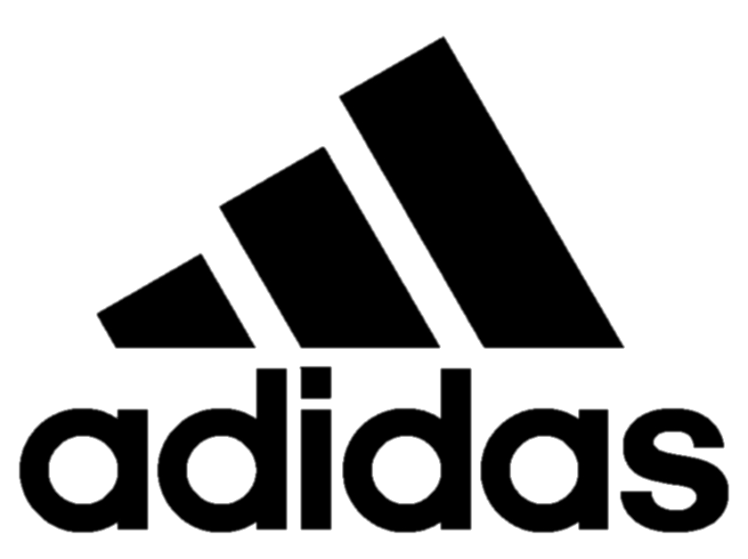
TOTAL REVENUE
$11.4M
UNITS SOLD 2.5M
TRANSACTION
759

 | 2020 | 2021
Jan | $2.3M | $7.4M
Feb | $2.1M | $6.1M
Mar | $2.5M | $5.2M
Apr | $3.2M | $6.5M
May | $2.2M | $8.6M
Jun | $1.1M | $8.7M
Jul | $2.2M | $10.4M
Aug | $2.6M | $9.7M
Sep | $2.4M | $8.0M
Oct | $1.4M | $7.1M
Nov | $1.2M | $7.9M
Dec | $1.1M | $10.3M
 | Total
Men's Apparel | $16.5M
Men's Athletic Footwear | $20.6M
Men's Street Footwear | $27.7M
 | Total
Women's Apparel | $23.9M
Women's Athletic Footwear | $14.3M
Women's Street Footwear | $17.2M
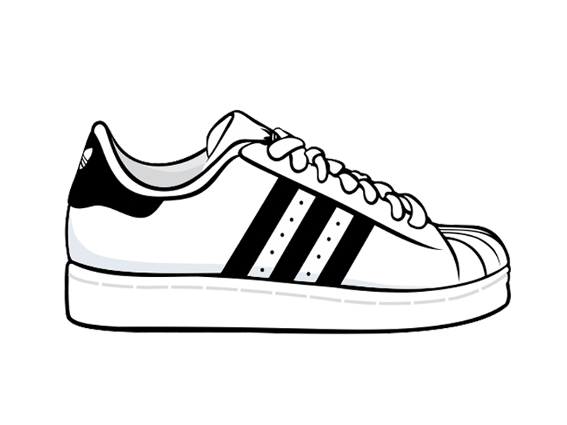

MONTH
REGION
SALES METHOD

 | Total
Sun | $16.0M
Mon | $14.9M
Tue | $18.4M
Wed | $16.0M
Thu | $19.4M
Fri | $19.6M
Sat | $15.9M
 | In-store | Online | Outlet
Midwest | $6.0M | $7.1M | $3.6M
Northeast | $11.6M | $4.6M | $8.9M
South | $0.3M | $9.2M | $11.1M
Southeast | $7.2M | $12.1M | $2.1M
West | $10.5M | $12.0M | $13.9M
 | Total
Walmart | 329
Kohl's | 279
Sports Direct | 274
West Gear | 263
Foot Locker | 229
Amazon | 209

Analyze
Sum of Total Revenue | Units Solds | Transaction
$120.2M | 2.5M | 9648 |  |  | Sum of Total Revenue | Column Labels
 |  |  |  |  | Row Labels | In-store | Online | Outlet | Grand Total
$120.2M | 2.5M | 9648 |  |  | Midwest | $6.0M | $7.1M | $3.6M | $16.7M
 |  |  |  |  | Northeast | $11.6M | $4.6M | $8.9M | $25.1M
 |  |  |  |  | South | $0.3M | $9.2M | $11.1M | $20.6M
 |  |  |  |  | Southeast | $7.2M | $12.1M | $2.1M | $21.4M
 |  |  |  |  | West | $10.5M | $12.0M | $13.9M | $36.4M
 |  |  |  |  | Grand Total | $35.7M | $45.0M | $39.5M | $120.2M

Sum of Total Revenue | Column Labels
Row Labels | 2020 | 2021 | Grand Total
Jan | $2.3M | $7.4M | $9.7M
Feb | $2.1M | $6.1M | $8.3M
Mar | $2.5M | $5.2M | $7.7M
Apr | $3.2M | $6.5M | $9.7M
May | $2.2M | $8.6M | $10.7M
Jun | $1.1M | $8.7M | $9.8M
Jul | $2.2M | $10.4M | $12.6M
Aug | $2.6M | $9.7M | $12.3M
Sep | $2.4M | $8.0M | $10.4M
Oct | $1.4M | $7.1M | $8.5M
Nov | $1.2M | $7.9M | $9.0M
Dec | $1.1M | $10.3M | $11.4M
Grand Total | $24.2M | $95.9M | $120.2M

 |  |  |  |  | Row Labels | Average of Units Sold
 |  |  |  |  | Walmart | 329
Row Labels | Sum of Total Revenue |  |  |  | Kohl's | 279
Sun | $16.0M |  |  |  | Sports Direct | 274
Mon | $14.9M |  |  |  | West Gear | 263
Tue | $18.4M |  |  |  | Foot Locker | 229
Wed | $16.0M |  |  |  | Amazon | 209
Thu | $19.4M |  |  |  | Grand Total | 256.93003731
Fri | $19.6M
Sat | $15.9M
Grand Total | $120.2M

Gender | Male

Row Labels | Sum of Total Revenue
Men's Apparel | $16.5M
Men's Athletic Footwear | $20.6M
Men's Street Footwear | $27.7M
Grand Total | $64.8M

Gender | Woman

Row Labels | Sum of Total Revenue
Women's Apparel | $23.9M
Women's Athletic Footwear | $14.3M
Women's Street Footwear | $17.2M
Grand Total | $55.4M

Row Labels | Sum of Total Revenue
New York | $8.7M |  | New York | $8.7M
California | $8.6M |  | California | $8.6M
Florida | $7.8M |  | Florida | $7.8M
Texas | $6.6M |  | Texas | $6.6M
South Carolina | $3.6M |  | South Carolina | $3.6M
Louisiana | $3.4M |  | Louisiana | $3.4M
Washington | $3.2M |  | Washington | $3.2M
Virginia | $3.1M |  | Virginia | $3.1M
Oregon | $3.0M |  | Oregon | $3.0M
Nevada | $3.0M |  | Nevada | $3.0M
North Carolina | $2.9M |  | North Carolina | $2.9M
New Mexico | $2.8M |  | New Mexico | $2.8M
Idaho | $2.7M |  | Idaho | $2.7M
Hawaii | $2.7M |  | Hawaii | $2.7M
Georgia | $2.7M |  | Georgia | $2.7M
Colorado | $2.6M |  | Colorado | $2.6M
Tennessee | $2.6M |  | Tennessee | $2.6M
Alabama | $2.5M |  | Alabama | $2.5M
New Hampshire | $2.3M |  | New Hampshire | $2.3M
Michigan | $2.3M |  | Michigan | $2.3M
Wyoming | $2.3M |  | Wyoming | $2.3M
Ohio | $2.3M |  | Ohio | $2.3M
Arizona | $2.3M |  | Arizona | $2.3M
Mississippi | $2.2M |  | Mississippi | $2.2M
Vermont | $2.0M |  | Vermont | $2.0M
Montana | $1.9M |  | Montana | $1.9M
Alaska | $1.8M |  | Alaska | $1.8M
Arkansas | $1.8M |  | Arkansas | $1.8M
Connecticut | $1.6M |  | Connecticut | $1.6M
Massachusetts | $1.6M |  | Massachusetts | $1.6M
Oklahoma | $1.5M |  | Oklahoma | $1.5M
Delaware | $1.5M |  | Delaware | $1.5M
Pennsylvania | $1.5M |  | Pennsylvania | $1.5M
Utah | $1.4M |  | Utah | $1.4M
West Virginia | $1.3M |  | West Virginia | $1.3M
Kentucky | $1.2M |  | Kentucky | $1.2M
Kansas | $1.2M |  | Kansas | $1.2M
New Jersey | $1.2M |  | New Jersey | $1.2M
Illinois | $1.2M |  | Illinois | $1.2M
Rhode Island | $1.2M |  | Rhode Island | $1.2M
Missouri | $1.2M |  | Missouri | $1.2M
Maine | $1.1M |  | Maine | $1.1M
Indiana | $1.1M |  | Indiana | $1.1M
South Dakota | $1.0M |  | South Dakota | $1.0M
Maryland | $1.0M |  | Maryland | $951.1K
North Dakota | $1.0M |  | North Dakota | $950.9K
Wisconsin | $0.9M |  | Wisconsin | $948.9K
Iowa | $0.9M |  | Iowa | $909.8K
Minnesota | $0.9M |  | Minnesota | $903.9K
Nebraska | $0.7M |  | Nebraska | $728.8K

